Sheet1
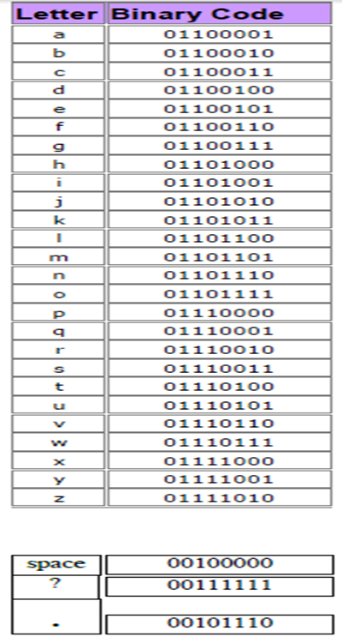
 | Computers: Inside & Out - Bits & Bytes |  |  |  |  |  |  |  | Grade | 0
 | Bytes Worksheet

 | Each rectangle below represents one byte made up of 8 bits (smaller rectangles). Label the byte by assigning 1 to each on bit, and 0 to each off bit. On bits are white and off bits are black. In the yellow box, identify which letter goes with the binary code.

 |  |  |  |  |  |  |  |  | Letter? |  |  |  |  |  |  |  |  |  |  | Letter?
 | 0 | 1 | 1 | 0 | 1 | 1 | 0 | 0 | L |  |  | 0 | 1 | 1 | 1 | 1 | 0 | 1 | 0 | z
#1 |  |  |  |  |  |  |  |  |  |  | #2
 | 0 | 0 | 0 | 0 | 0 | 0 | 0 | 0 | 0 | 0 |  | 0 | 0 | 0 | 0 | 0 | 0 | 0 | 0 | 0 | 0

 | 0 | 1 | 1 | 1 | 0 | 1 | 0 | 1 | u |  |  | 0 | 1 | 1 | 0 | 1 | 0 | 1 | 1 | k
#3 |  |  |  |  |  |  |  |  |  |  | #4
 | 0 | 0 | 0 | 0 | 0 | 0 | 0 | 0 | 0 | 0 |  | 0 | 0 | 0 | 0 | 0 | 0 | 0 | 0 | 0 | 0

 | 0 | 1 | 1 | 0 | 0 | 1 | 0 | 0 | d |  |  | 0 | 1 | 1 | 1 | 0 | 0 | 1 | 1 | s
#5 |  |  |  |  |  |  |  |  |  |  | #6
 | 0 | 0 | 0 | 0 | 0 | 0 | 0 | 0 | 0 | 0 |  | 0 | 0 | 0 | 0 | 0 | 0 | 0 | 0 | 0 | 0

 | 0 | 1 | 1 | 0 | 1 | 1 | 1 | 0 | n |  |  | 0 | 1 | 1 | 0 | 0 | 0 | 1 | 1 | c
#7 |  |  |  |  |  |  |  |  |  |  | #8
 | 0 | 0 | 0 | 0 | 0 | 0 | 0 | 0 | 0 | 0 |  | 0 | 0 | 0 | 0 | 0 | 0 | 0 | 0 | 0 | 0

 | 0 | 1 | 1 | 1 | 0 | 1 | 0 | 0 | t |  |  | 0 | 1 | 1 | 1 | 1 | 0 | 0 | 0 | x
#9 |  |  |  |  |  |  |  |  |  |  | #10
 | 0 | 0 | 0 | 0 | 0 | 0 | 0 | 0 | 0 | 0 |  | 0 | 0 | 0 | 0 | 0 | 0 | 0 | 0 | 0 | 0

 | 0 | 1 | 1 | 0 | 0 | 0 | 1 | 0 | b |  |  | 0 | 1 | 1 | 0 | 0 | 1 | 1 | 1 | g
#11 |  |  |  |  |  |  |  |  |  |  | #12
 | 0 | 0 | 0 | 0 | 0 | 0 | 0 | 0 | 0 | 0 |  | 0 | 0 | 0 | 0 | 0 | 0 | 0 | 0 | 0 | 0
 |  |  |  |  |  |  |  |  | 0 |  |  |  |  |  |  |  |  |  |  | 0 | 0

